Manisha sheet
Case no. | Situation |  | Status | Bug | Screenshot
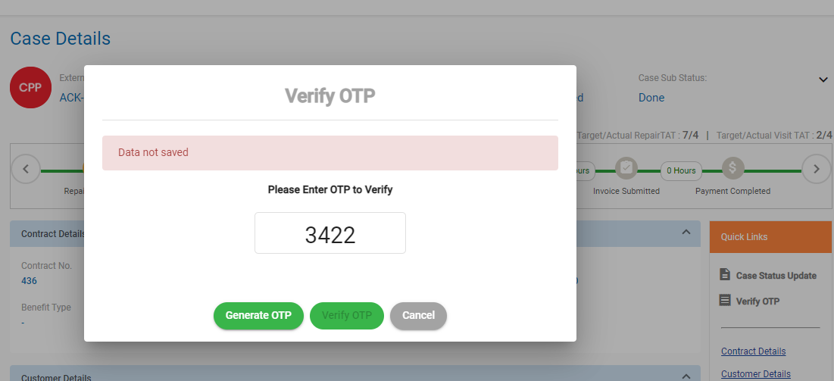
ACK-436 | same day repai done |  | Fixed OTP issue | Getting error when verifyng the otp"Data not saved"

ACK-437 | other day repai |  | pass, case closed | when selecting customer confirmed, repair completed from Case status update the appointment date should be inactive but it is still active | https://prnt.sc/100tili

ACK-438 | Estimate reject by CA during invoice approval

ACK-439 | Estimate reject by NM during invoice approval

CPP-440 | Claim is autoapproved |  | Pass, Closed case manually

CPP-9630 | Same day repair completed |  | Case closed,pass

CPP-9631 | Estimate reject by CA during invoice approval |  | Pass, flow

CPP-9632 | Estimate reject by NM during invoice approval | Job ID 143 have processed the claims in bulk for finance it successfully got uploaded | Pass

Dashborad issue |  | Getting count errors for case closed cases

